Q.1 LINE CHART
Order Month-Year | Sum of Order Quantity | Sum of Sales
Apr-09 | 4512 | 393276.482
Apr-10 | 3600 | 266968.589
Apr-11 | 4623 | 288213.397
Apr-12 | 4535 | 268024.97
Aug-09 | 4880 | 329754.715
Aug-10 | 4558 | 207937.009
Aug-11 | 3781 | 274578.4795
Aug-12 | 4848 | 302745.1235
Dec-09 | 4275 | 415809.3505
Dec-10 | 4928 | 368093.954
Dec-11 | 5078 | 328877.3145
Dec-12 | 3960 | 354709.338
Feb-09 | 4027 | 332480.6365
Feb-10 | 4386 | 271580.508
Feb-11 | 4051 | 299890.141
Feb-12 | 4138 | 276132.499
Jan-09 | 5552 | 516302.9595
Jan-10 | 4248 | 336526.6805
Jan-11 | 3673 | 251467.228
Jan-12 | 4479 | 340626.507
Jul-09 | 4815 | 380503.97
Jul-10 | 4304 | 229885.4985
Jul-11 | 4391 | 287905.1865
Jul-12 | 4419 | 242809.6995
Jun-09 | 4176 | 263456.068
Jun-10 | 4370 | 293080.665
Jun-11 | 4077 | 197740.8455
Jun-12 | 3911 | 276580.9355
Mar-09 | 4258 | 411628.729
Mar-10 | 4061 | 217808.0065
Mar-11 | 4108 | 296035.871
Mar-12 | 4837 | 348208.325
May-09 | 4829 | 230145.538
May-10 | 5554 | 283534.285
May-11 | 5283 | 262628.496
May-12 | 5607 | 384588.0615
Nov-09 | 4036 | 248933.426
Nov-10 | 4463 | 290670.3455
Nov-11 | 4397 | 367769.496
Nov-12 | 3355 | 256020.104
Oct-09 | 4215 | 361555.2665
Oct-10 | 4892 | 365251.985
Oct-11 | 4047 | 305660.451
Oct-12 | 5124 | 351246.7325
Sep-09 | 4805 | 325292.3145
Sep-10 | 5020 | 418343.2785
Sep-11 | 4055 | 276049.796
Sep-12 | 5236 | 318271.5665
Grand Total | 214777 | 14915600.824

Q.2 PIA CHART
Total Sales by ship mode
Row Labels | Sum of Sales
Delivery Truck | 6224878.718
Express Air | 1184418.897
Regular Air | 7506303.209
Grand Total | 14915600.824

Q.3 100% stacked bar charts
Contribution(%) of customer segment to monthly sales
Count of Customer Segment | Column Labels
Row Labels | Consumer | Corporate | Home Office | Small Business | Grand Total
Apr-09 | 41 | 48 | 49 | 34 | 172
Apr-10 | 35 | 53 | 29 | 32 | 149
Apr-11 | 27 | 57 | 52 | 33 | 169
Apr-12 | 30 | 74 | 41 | 37 | 182
Aug-09 | 39 | 78 | 49 | 27 | 193
Aug-10 | 46 | 66 | 41 | 28 | 181
Aug-11 | 35 | 55 | 34 | 26 | 150
Aug-12 | 36 | 62 | 32 | 51 | 181
Dec-09 | 41 | 54 | 37 | 41 | 173
Dec-10 | 39 | 72 | 60 | 35 | 206
Dec-11 | 34 | 67 | 54 | 31 | 186
Dec-12 | 12 | 76 | 39 | 29 | 156
Feb-09 | 35 | 54 | 37 | 26 | 152
Feb-10 | 32 | 70 | 36 | 40 | 178
Feb-11 | 30 | 62 | 45 | 33 | 170
Feb-12 | 29 | 54 | 37 | 32 | 152
Jan-09 | 47 | 83 | 54 | 39 | 223
Jan-10 | 30 | 44 | 44 | 48 | 166
Jan-11 | 40 | 52 | 38 | 24 | 154
Jan-12 | 25 | 70 | 40 | 38 | 173
Jul-09 | 42 | 65 | 50 | 33 | 190
Jul-10 | 28 | 62 | 49 | 31 | 170
Jul-11 | 35 | 68 | 30 | 38 | 171
Jul-12 | 36 | 62 | 35 | 35 | 168
Jun-09 | 40 | 61 | 31 | 32 | 164
Jun-10 | 37 | 60 | 34 | 38 | 169
Jun-11 | 36 | 49 | 45 | 34 | 164
Jun-12 | 34 | 49 | 48 | 21 | 152
Mar-09 | 32 | 61 | 47 | 45 | 185
Mar-10 | 30 | 72 | 32 | 25 | 159
Mar-11 | 29 | 70 | 31 | 26 | 156
Mar-12 | 37 | 74 | 52 | 34 | 197
May-09 | 35 | 70 | 34 | 43 | 182
May-10 | 46 | 66 | 50 | 37 | 199
May-11 | 38 | 72 | 48 | 26 | 184
May-12 | 40 | 76 | 63 | 34 | 213
Nov-09 | 22 | 64 | 44 | 39 | 169
Nov-10 | 35 | 67 | 24 | 50 | 176
Nov-11 | 29 | 57 | 41 | 41 | 168
Nov-12 | 28 | 52 | 35 | 17 | 132
Oct-09 | 41 | 64 | 37 | 25 | 167
Oct-10 | 36 | 60 | 62 | 38 | 196
Oct-11 | 28 | 58 | 39 | 43 | 168
Oct-12 | 29 | 72 | 46 | 52 | 199
Sep-09 | 28 | 87 | 37 | 31 | 183
Sep-10 | 40 | 70 | 51 | 32 | 193
Sep-11 | 34 | 54 | 40 | 34 | 162
Sep-12 | 42 | 82 | 49 | 24 | 197
Grand Total | 1650 | 3075 | 2032 | 1642 | 8399

Q.4 COMBO CHARTS
Sales profit monthly
Years | 2012

Row Labels | Sum of Sales | Sum of Profit
Apr-12 | 268024.97 | 31361.03774
Aug-12 | 302745.1235 | 13660.9792
Dec-12 | 354709.338 | 21292.976255
Feb-12 | 276132.499 | 25158.40791
Jan-12 | 340626.507 | 43312.5136
Jul-12 | 242809.6995 | 26393.575905
Jun-12 | 276580.9355 | 30454.2738
Mar-12 | 348208.325 | 37636.12515
May-12 | 384588.0615 | 29371.456404
Nov-12 | 256020.104 | 27543.036875
Oct-12 | 351246.7325 | 21137.482421
Sep-12 | 318271.5665 | 34579.944135
Grand Total | 3719963.862 | 341901.8094

Line Charts
Order Month-Year | Order Quantity | Sales | Type 1 | Line Charts
Jan-09
Feb-09
Mar-09
Apr-09 |  |  |  | Line charts are good for showing trends over time for single or multiple quantities on a single chart.
May-09 |  |  |  | Let's create a line chart for trends of Sales and Order Quantity over 'Order Month-Year'.
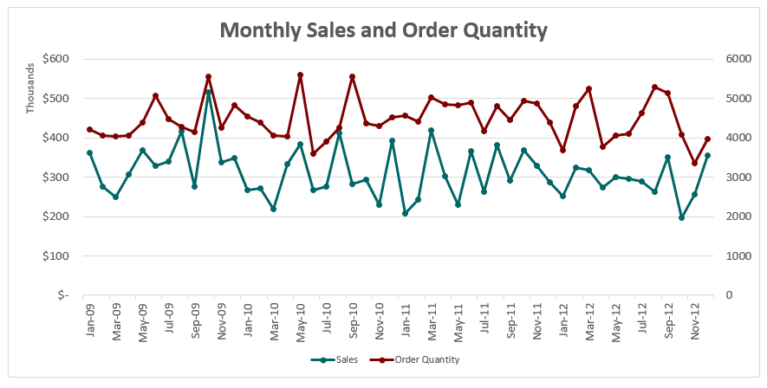
Jun-09
Jul-09
Aug-09
Sep-09
Oct-09
Nov-09
Dec-09
Jan-10
Feb-10
Mar-10
Apr-10
May-10
Jun-10
Jul-10
Aug-10
Sep-10
Oct-10
Nov-10
Dec-10
Jan-11
Feb-11
Mar-11
Apr-11
May-11
Jun-11
Jul-11
Aug-11
Sep-11
Oct-11
Nov-11
Dec-11
Jan-12
Feb-12
Mar-12
Apr-12
May-12
Jun-12
Jul-12
Aug-12
Sep-12
Oct-12
Nov-12
Dec-12

Pie Charts
 |  | Type 2 | Pie Charts

 |  |  | Pie charts are used to showcase contribution(s) of a single quantity between different segments
Ship Mode | Sales |  | For example, Sales by Ship Mode is a view that could be represented using a Pie Chart.
Delivery Truck |  |  | Pie charts are rarely used in delivery accounts in Mu Sigma. Tread with caution!
Express Air
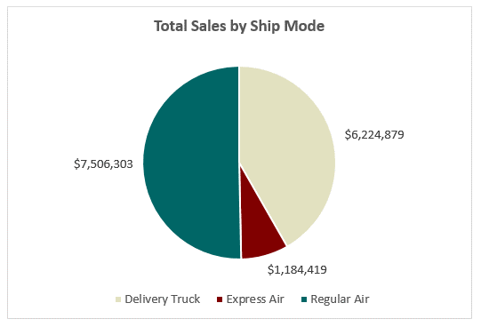
Regular Air

100% Stacked Bar Charts
 |  |  |  |  | Type 3 | 100% Stacked Bar Charts

Order Month-Year | Consumer | Corporate | Home Office | Small Business |  | Stacked Bar Charts are used to depict the trend over time of a single quantity, distributed across groups.
Jan-09 | #VALUE! |  |  |  |  | Stacked Bar Charts could be used to represent absolute values, or % contributions as in 100% Stacked Bar Charts.
Feb-09 |  |  |  |  |  | Let's create a 100% Stacked Bar chart for Monthly Sales contribution (%) of various Customer Segments
Mar-09
Apr-09
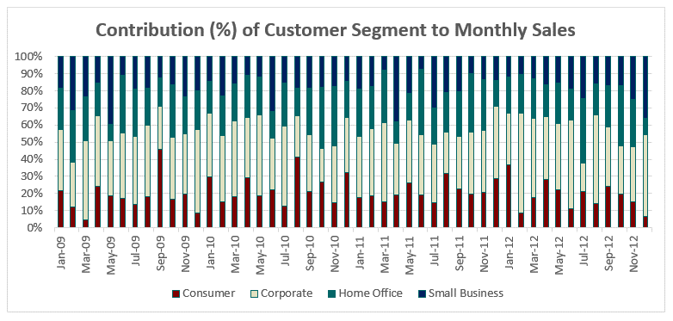
May-09
Jun-09
Jul-09
Aug-09
Sep-09
Oct-09
Nov-09
Dec-09
Jan-10
Feb-10
Mar-10
Apr-10
May-10
Jun-10
Jul-10
Aug-10
Sep-10
Oct-10
Nov-10
Dec-10
Jan-11
Feb-11
Mar-11
Apr-11
May-11
Jun-11
Jul-11
Aug-11
Sep-11
Oct-11
Nov-11
Dec-11
Jan-12
Feb-12
Mar-12
Apr-12
May-12
Jun-12
Jul-12
Aug-12
Sep-12
Oct-12
Nov-12
Dec-12

Combo Charts
 |  |  | Type 4 | Combination Charts

Order Month-Year | Sales | Profit |  | Combination charts are a useful mix of various chart types (bar, line etc.) on a single chart.
Jan-12 |  |  |  | Clean and easy to visualize, they are very good for representing multiple quantities.
Feb-12 |  |  |  | By using secondary axes, quantities varying significantly in amounts can be represented together clearly.
Mar-12 |  |  |  | Let's create a combo chart for Monthly Sales and Profit, using the primary and secondary axes!
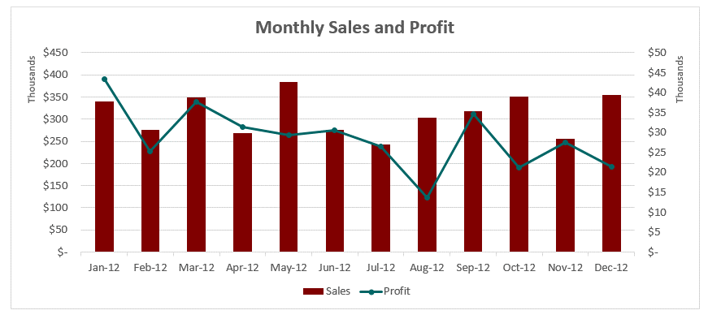
Apr-12
May-12
Jun-12
Jul-12
Aug-12
Sep-12
Oct-12
Nov-12
Dec-12

